Sheet1
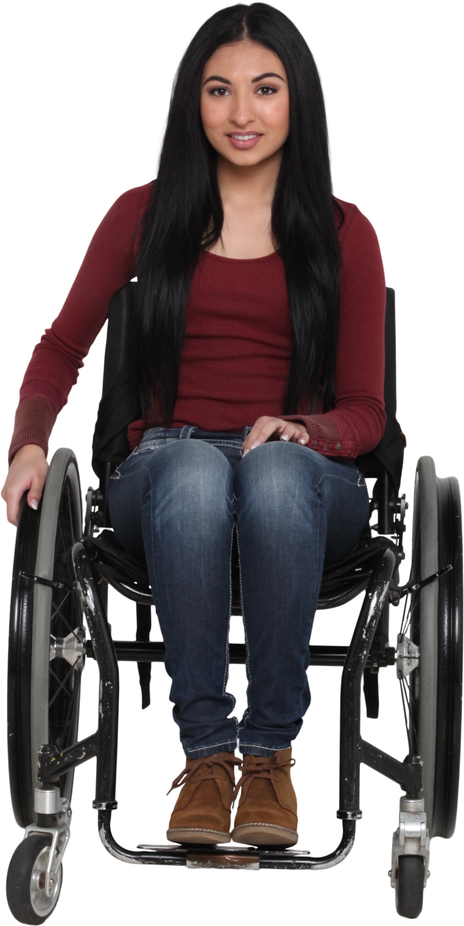
 | Answer Expected
Data | Items | Total
2 Monitors / 2 Docks | Monitor | 7
1 Headset / Monitors 3 | Dock | 8
iPhone 1 | Headset | 14
1 Dock / Headset 7 / 6 RAM | iPhone | 1
2 Monitors / 3 Headset | RAM | 6
Docks 5
3 Headsets
Find the sum of various items where number may be before or after the item names.

